Sheet1
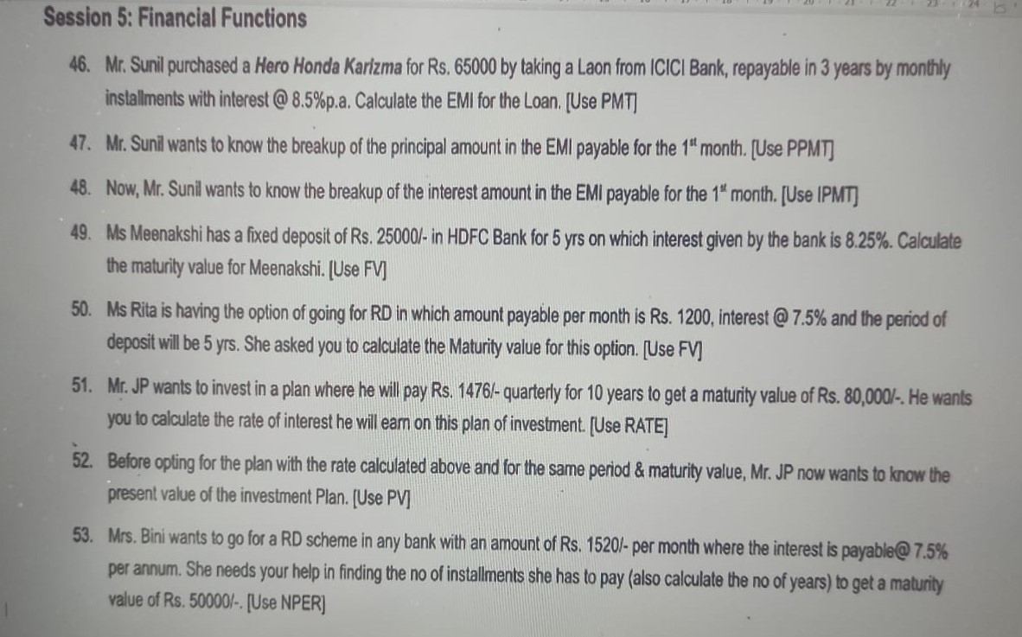
FINACIAL FUNCTIONS

 | Prinicipal Amount | Rate of Intrest | Time
 | -65000 | 9.00% | 5 |  | #N/A | 95 | 78 | 75 | 69 | 75 | 88 | 480 | 80

46 | PMT | Rate | Time | PMT
 | 65000 | 8.50% | 3 |  | #N/A

47 | PV | Rate | Time | PPMT
 | 65000 | 8.50% | 3 |  | #N/A

48 | PV | Rate | Time | IPMT
 | 65000 | 8.50% | 3 |  | #N/A

49 | PV | Rate | Time | FV
 | -25000 | 8.25% | 5 |  | #N/A

50 | RD | Rate | Time | FV
 | -1200 | 7.50% | 5 |  | #N/A

51 | PV | TIME | FV | RATE
 | -1476 | 10 | 80000 |  | #N/A

52 | Time | FV | Rate | PV
 | 10 | 80000 | 10.50% |  | #N/A

53 | RD | Rate | FV | NPER
 | -1520 | 7.5% | 50000 |  | #N/A

